Sheet1

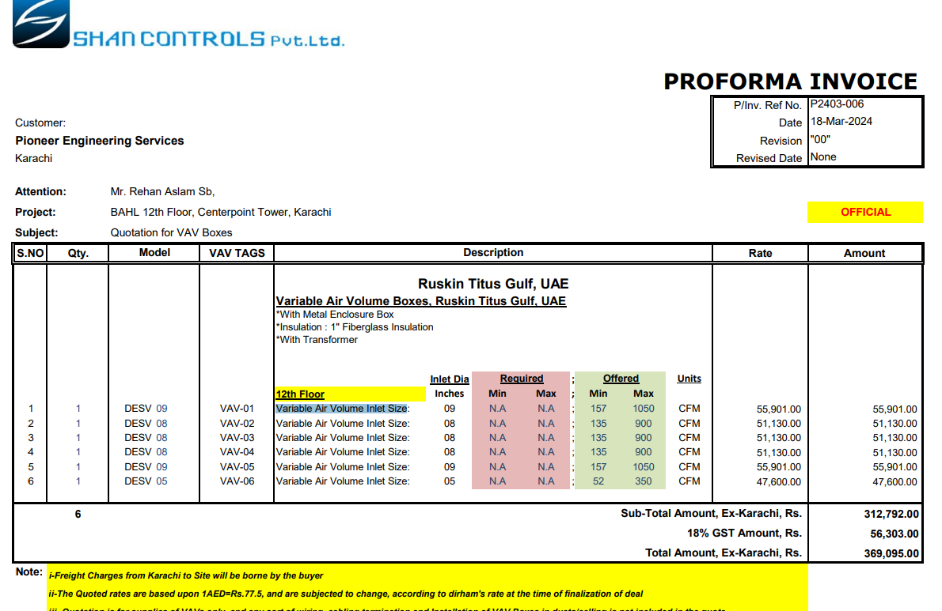

M/S Shan Controls |  |  |  |  | 19-Mar-24
PO # 168

Att: Mr. Imran

PURCHASE ORDER

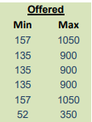
Supply of VAVs Boxes for the project (Bank Al-Habib 22 & 23 Floor Center point Karachi)
S No. | D e s c r i p t i o n | Qty | Unit | Rate | Amount
 | Ruskin Titus Gulf, UAE Variable Air Volume Boxes, Ruskin Titus Gulf, UAE *With Metal Enclosure Box *Insulation : 1" Fiberglass Insulation *With Transformer
 | Variable Air Volume Inlet Size 9 Inches | 1 | Nos | 55,901 | 55,901
 | Variable Air Volume Inlet Size 8 Inches | 1 | Nos | 51,130 | 51,130
 | Variable Air Volume Inlet Size 8 Inches | 1 | Nos | 51,130 | 51,130
 | Variable Air Volume Inlet Size 8 Inches | 1 | Nos | 51,130 | 51,130
 | Variable Air Volume Inlet Size 9 Inches | 1 | Nos | 55,901 | 55,901
 | Variable Air Volume Inlet Size 5 Inches | 1 | Nos | 47,600 | 47,600
 |  | TOTAL: |  |  | 312,792
GST 18% |  |  |  |  | 56,303
Total amount |  |  |  |  | 369,095

for National Engineers Co.

